GUI CGI SPEC
Xmind
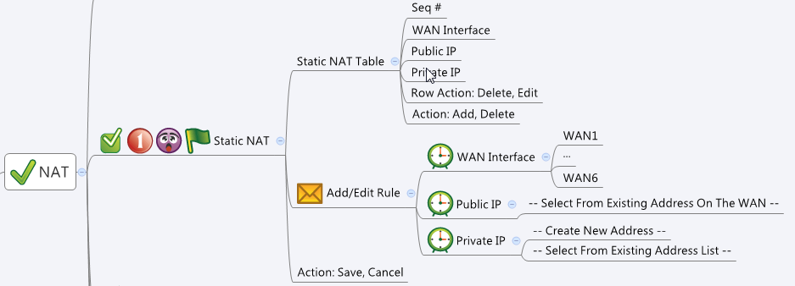

Behavior
# When Add/Edit, user must choose valid IP address for both Public IP and Private IP. User cannot save the configuration if he did not fulfill this condition.
# "Public IP" must be one of the IP address or IP alias of the selected WAN interface. If user change the WAN interface while editing a rule, reload the Public dropdown list with the addresses of the new WAN
# "Public IP" and "Private IP" can only be Host/Network/Range type of addresses
# Limitations: Max Static NAT Table Size = 64
[UI Display Name] | [CGI Name] | [JSON Name] | [Description]
Static NAT Table / Add/Edit Rule |  |  |  | Table size: 64
N/A | staticNat.cgi | guiStaticNatTNum | int, table size
N/A | staticNat.cgi | guiStaticNatT.gid | unique numeric ID of a static NAT object.
WAN interface | staticNat.cgi | guiStaticNatT.wanInterface | string, name of an interface
Public IP | staticNat.cgi | guiStaticNatT.publicIp | unique numeric ID of an address object. Get information from common_ip_list cgi. Show its name on GUI. NOTE: Show only WAN IP and IP Alias addresses of the selected WAN interface
Private IP | staticNat.cgi | guiStaticNatT.privateIp | unique numeric ID of an address object. Get information from common_ip_list cgi. Show its name on GUI. NOTE: Show only HOST/Network/Range types of addresses
N/A | staticNat.cgi | guiStaticNatT.cgiAction | 0: none, 1: add, 2: update, 3: delete

Common IP
N/A | common_ip_list.cgi | guiIpTNum | int
N/A | common_ip_list.cgi | guiIpT.gid | int
N/A | common_ip_list.cgi | guiIpT.name | All viewable ASCII code except (whitespace) ‘ ` “ % ?
N/A | common_ip_list.cgi | guiIpT.userDefined | 0/1
N/A | common_ip_list.cgi | guiIpT.type | int: 1: host, 2: network, 3: range
N/A | common_ip_list.cgi | guiIpT.startIp | ipaddr
N/A | common_ip_list.cgi | guiIpT.endIp | ipaddr
N/A | common_ip_list.cgi | guiIpT.netmask | netmask

JSON String
staticNat.cgi
## GET & POST methods ##
{
"guiStaticNatTNum": "1",
"guiStaticNatT": [
{
"gid": "314159",
"wanInterface": "WAN1",
"publicIp": "10",
"privateIp": "11",
"cgiAction": "1"
}
]
}

## cgi name ##
common_ip_list.cgi
## GET methods ##
{
"guiIpTNum": 2,
"guiIpT": [
{
"gid": 10,
"name": "WAN1_IP",
"userDefined": 0,
"type": 1,
"startIp": "9.8.7.1",
"endIp": "9.8.7.1",
"netmask": "255.255.255.255"
},
{
"gid": 11,
"name": "myIp",
"userDefined": 1,
"type": 1,
"startIp": "9.9.9.9",
"endIp": "9.9.9.9",
"netmask": "255.255.255.255"
}
]
}

